Sheet1
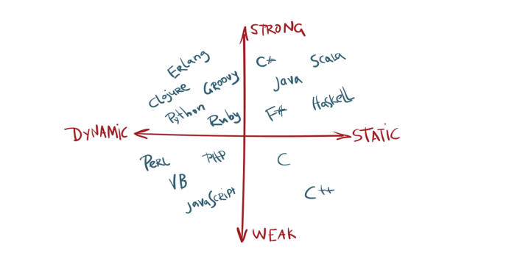
 | Syntax Checking |  | Type Checking |  | Datatype Coercion
 | Compiler | Interpreter | Static | Dynamic | Weak | Strong
Compile time | Yes | No | Yes | No | Allowed | Not Allowed
Run Time | No | Yes | No | Yes | Allowed | Not Allowed

Compiled, Dynamic | No error thrown if code block not executed because type checking is performed at runtime not at compile time.
Interpreted, Static | Error thrown in non-executing code block since typed checking performed at compile time(before runtime).

Usually, languages are either Compiled, Static or Interpreted, Dynamic.

